perfex
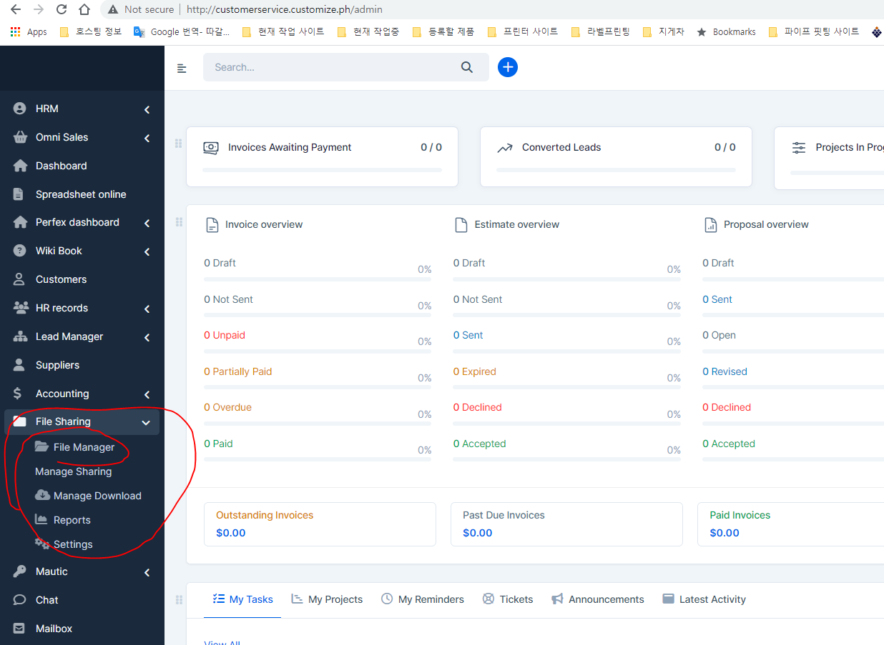
step1 | http://customerservice.customize.ph/admin

 |  | k09178548787@gmail.com
 |  | 123456789

task1 | add zender sms module and test like what you did

task2 | check this module file sharing -- we we can make ftp to hostgatoer to connect it

customize
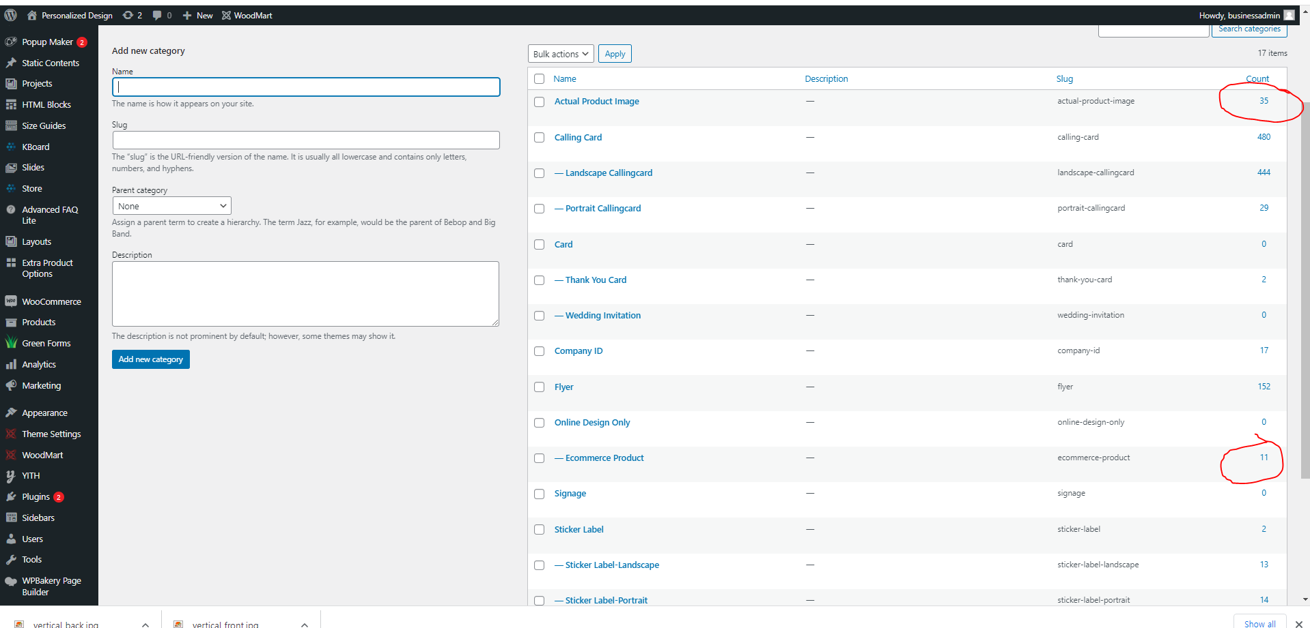
task1 | arrange product category on site |  |  |  | customize.ph

product category |  | Custom Product
 |  |  | personal product
 |  |  | Coporate Give Away

 |  | Design Service

 |  | Printing Service

 | when I click this |  |  | https://customize.ph/designer/?dp_mode=designer&product_id=36987
Step1 | it shows this design template |  |  | but it is only 11

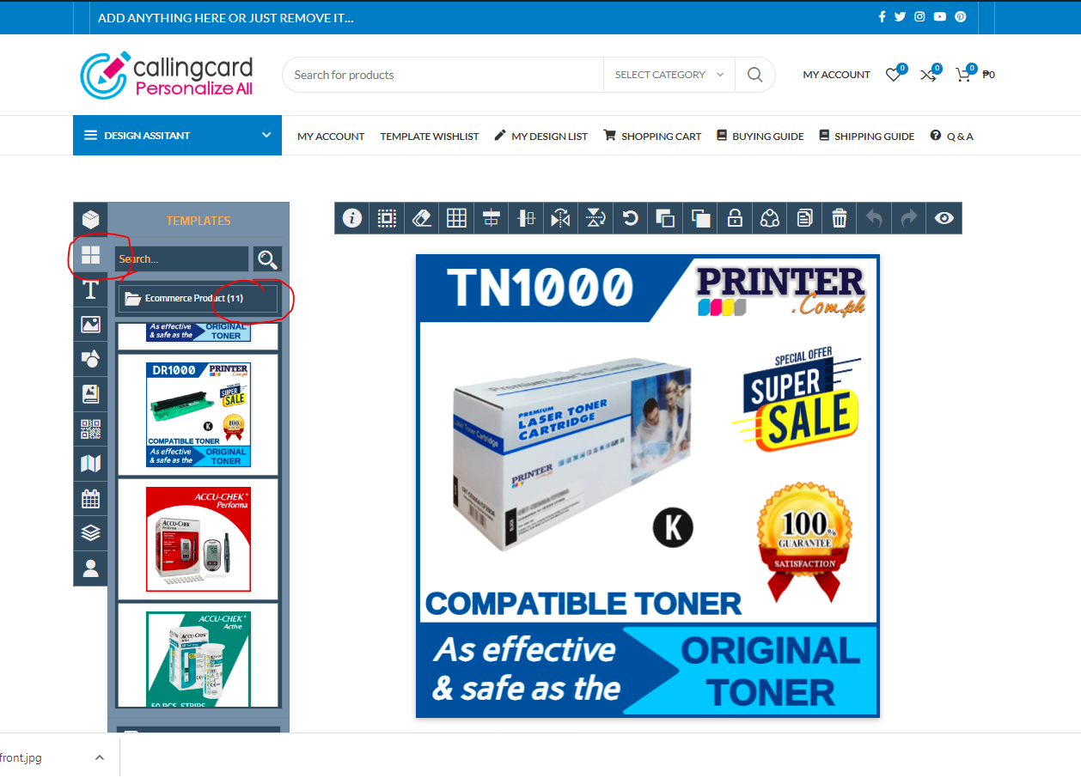

step2 | design category -- it shows 11 here |  |  |  |  | task2 | merge this 35 design to here also | so this will be 46 template | task 3 | we just merge this to this category name ( Ecommerce Product)
 |  |  |  |  |  |  |  |  |  |  | we will not use this category anymore after merge category

